Overview
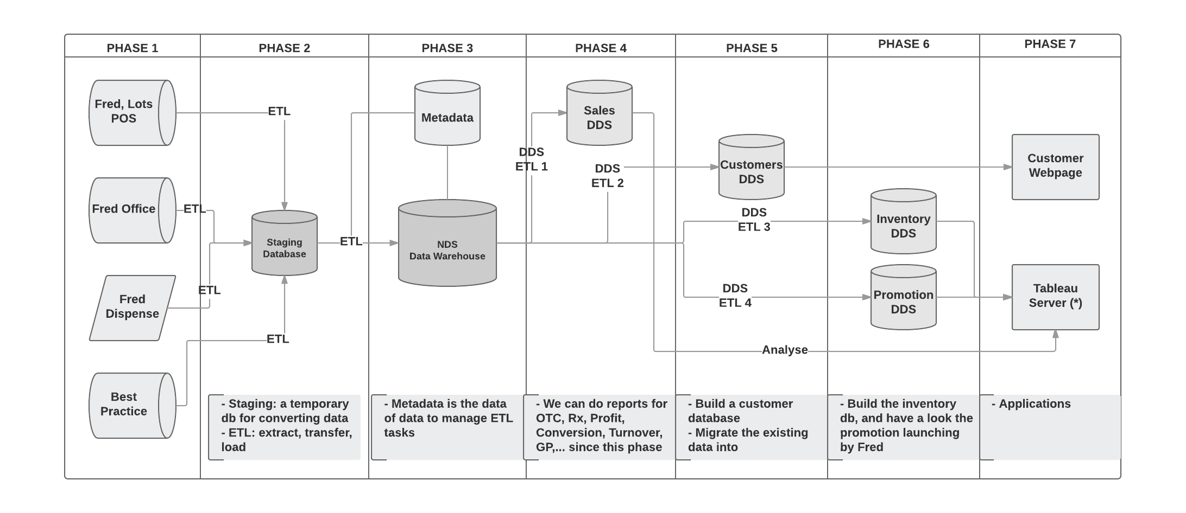
Data Warehouse Timeline
An overview of timeframe for the project

 | Note: | This is a timeline estimation for 2 months since 1st August, 2017
 |  | Please note that the time could be changed and expanded during the process

 | Data Warehouse |  |  |  | Start Date
 | Project Schedule |  |  |  | 1-Aug-17
 | Project Estimation |  |  |  | 560 hours
Project Round 2
Tableau Server
Project Start

Deliverable
Phase 1 & 2
Deliverable
Phase 3
Final Deliverable
Due. June 25

 | 2017-08-01 | 2017-08-08 | 2017-08-15 | 2017-08-22 | 2017-08-29 | 2017-09-05 | 2017-09-12 | 2017-09-19 | 2017-09-26 | 2017-10-03 | 2017-10-10 | 2017-10-17 | 2017-10-24 | 2017-10-31 | 2017-11-07 | 2017-11-14 | 2017-11-21
 | 2017 | W1 | W2 | W3 | W4 | W1 | W2 | W3 | W4 | W1 | W2 | W3 | W4 | W5 | W1 | W2 | W3

Kick off
Init setup
System Design
Roll out
Finish dev

Phase 2 | Deployment at P@K, Brimbank

Phase 3 | Installation & Testing

Phase 1, 2
Phase 3 | Deplay at RV, Langton, Linden

Phase 3 | Logical Design
Phase 3 | Deployment

Phase 4, 5, 6 | Design & Extraction

Phase 7 | Tableau Server Setup & Testing

 | Project Schedule Diagram

